Machine_Learning
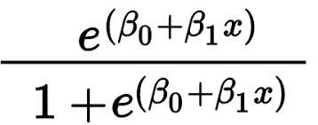
Machine learning

It learns from patterns/instructions

Supervised machine learning

Independent variable | Dependent variable
Income | Expenses |  | Problem | Given historical dataset, whenever I get an income of 35000 can you predict expenses for me?
1000 | 100
3000 | 300 |  | Independent variable/predictors - Income (one or more)
5000 | 500 |  | Dependent variable/target/label/outcome - Expenses (one - regression)
10000 | 1000
50000 | 5000 |  | You have both input and output (independent/dependent) - supervised ML

35000

Regression |  |  |  |  | Classifications
Continous variable as dependent |  |  |  |  | Churn - Yes/no, Match - play/not, Diabetic - Yes/No |  | MNIST (9 digits)

Multivariate regression/Simple linear regression |  |  |  |  | Binary (2) | Target variable (>2) | Decision boundary

 |  |  |  |  | Logistic regression | Decision Trees
 |  |  |  |  |  | Random Forest
 |  |  |  |  |  | Support Vector Machine
 |  |  |  |  |  | Naïve Bayes

Logistic regression reading material - https://stats.idre.ucla.edu/other/mult-pkg/faq/general/faq-how-do-i-interpret-odds-ratios-in-logistic-regression/

UnSupervised machine learning

Income | Expenses |  | Problem | Given historical dataset, can you categorize customers as low spending/medium spending/high spending
1000 | 100 | 10
3000 | 300 | 10 | Independent variable - Many
5000 | 500 | 10
10000 | 1000 | 10
50000 | 5000 | 10 | You have only input- unsupervised ML

35000 |  | 3500 | K-means clustering, C means

Reinforcement machine learning

No input and output
Robots | real time training

Award - positive/negative
online chess, smart cars

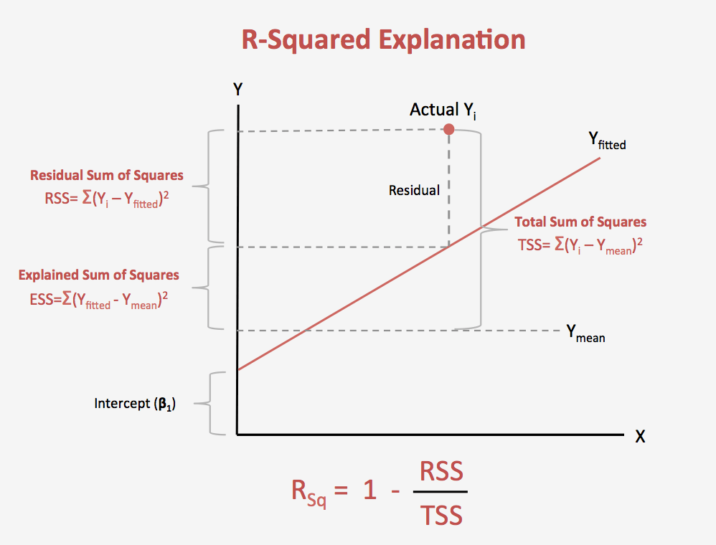
 |  |  |  |  |  |  |  | SSE | (predicted-actual)^2
 |  |  |  |  |  |  |  |  | less
 |  |  |  |  |  |  |  |  | Earning = 0.1*Income + 0.02
 |  |  |  |  |  |  |  |  | y = m*x +C | Earning =0.1*Income + 0.2*Age + …+ 0.02
 |  |  |  |  |  |  |  |  | y = dependent variable
 |  |  |  |  |  |  |  |  | m - slope of the line (Coefficents)
 |  |  |  |  |  |  |  |  | x - independent variable
 |  |  |  |  |  |  |  |  | c - intercept

 |  |  |  |  |  |  |  |  | y = beta0 + beta1*x + error

 |  |  |  |  |  |  |  |  | The formula is:

 |  |  |  |  |  |  |  |  | where:
 |  |  |  |  |  |  |  |  | N is the number of points in your data sample.
 |  |  |  |  |  |  |  |  | K is the number of independent regressors, i.e. the number of variables in your model, excluding the constant.
 |  | F statistics

 |  | Standard Error

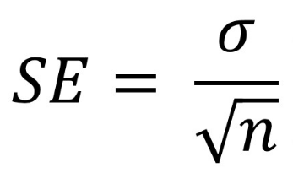

Y = beta0 + beta1*x +…..+betan*x + error

What if I divide by 1-Y

Y/1-Y = then if Y=0 this value will be 0
Y/1-Y = if Y=1 this value will be infinity

But we want -infinity to +infinity

Log(Y/1-Y) = if Y=0 then -infinity as log0 is -infinity
Log(Y/1-Y) = if Y=1 then infinity as log(infi) is infinity

So now it become same as linear regression
Then log(Y/1-Y) = beta0 + beta1*x +…..+betan*x + error

